Sheet1
CHANDELIERS |  |  |  |  | Catalog # |  |  | Type
 |  |  |  |  | Project
COTTON CANDY |  |  |  |  | Comments |  |  | Date
 |  |  |  |  | Prepared by

Product Specifications

• | MODEL |  | DZ-ML-021

• | DESCRIPTION |  | These one-of-a-kind lighting sculptures come in a variety of standard and custom designs, allowing for creative lighting design, and they look stunning either organised separately or in a group.

• | DIMENSIONS |  | 18'' Dia

• | MATERIAL |  | STEEL

• | WEIGHT

• | SHADE |  | WOVEN

• | LUMEN |  | 850LMS

• | LIGHT SOURCE |  | LED-STANDARD

• | DIMMABLE |  | NON-DIMMABLE

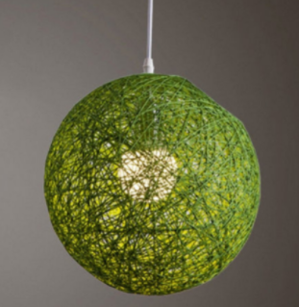
• | LOCATION |  | INTERIOR

• | CERTIFICATION |  | ETL LISTED

ORDERING INFORMATION

SERIES |  | WATTAGE | VOLTAGE | DIMMING |  | CCT | SHADE | FINISH

DZ-ML-021 |  | 15W | 120V | NO |  | 2700K | ORB | ANY
 |  |  |  |  |  | 3000K | CUBOID
 |  |  |  |  |  | 4000K | CYLINDER

 |  |  | www.dezinemultifamilylighting.com |  |  |  |  |  | www.dezinemultifamilylighting.com | www.dezinemultifamilylighting.com

