Sheet1
CHANDELIERS |  |  |  |  | Catalog # |  |  | Type
 |  |  |  |  | Project
FOLDS |  |  |  |  | Comments |  |  | Date
 |  |  |  |  | Prepared by

Product Specifications

• | MODEL |  | DZ-ML-026

• | DESCRIPTION |  | Beautiful hand forged two toned bronze ribbons drape around a band of LED lighting for a gorgeous warm glow these two natural metals create a sense of elegance and modern edginess in a captivating presentation.

• | DIMENSIONS |  | 43.75''Dia x 23.5''H

• | MATERIAL |  | METAL

• | CANOPY |  | 6.25''Dia

• | SHADE |  | METAL RIBBON

• | LUMEN |  | 11000LM

• | LIGHT SOURCE |  | INTEGRATED LED

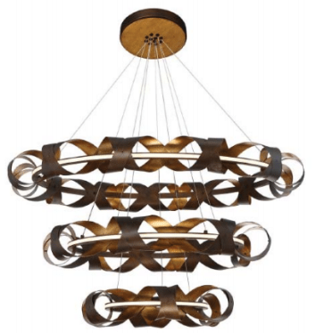
• | DIMMABLE |  | YES

• | LOCATION |  | DRY LOCATION

• | CERTIFICATION |  | ETL LISTED
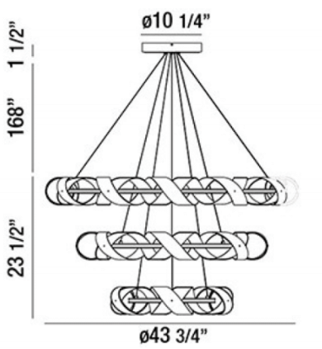

ORDERING INFORMATION

SERIES |  | WATTAGE | VOLTAGE | DIMMING |  | CCT | SHADE | FINISH

DZ-ML-026 |  | 120W | 120V | YES |  | 2700K | METAL | BRONZE
 |  |  |  |  |  | 3000K |  | GOLD
 |  |  |  |  |  | 4000K

 |  |  | www.dezinemultifamilylighting.com |  |  |  |  |  | www.dezinemultifamilylighting.com | www.dezinemultifamilylighting.com

