Sheet1
CHANDELIERS |  |  |  |  | Catalog # |  |  | Type
 |  |  |  |  | Project
DRIPS |  |  |  |  | Comments |  |  | Date
 |  |  |  |  | Prepared by

Product Specifications

• | MODEL |  | DZ-ML-014

• | DESCRIPTION |  | Polished Chrome with a matching cable and Matte Black with a black cord are both options. Hanging ornamental tubes are suspended from a slim coaxial wire that may be adjusted up to 144" in length.Because no cutting or splicing necessary, cables can be altered and replaced.

• | DIMENSIONS |  | 37'H x 6''W x 9'' L

• | MATERIAL |  | METAL

• | WEIGHT

• | SHADE |  | STEEL

• | NO. OF LIGHTS |  | 18

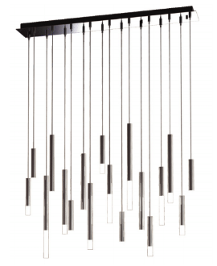
• | LIGHT SOURCE |  | BULB

• | DIMMABLE |  | ELV

• | LOCATION |  | INDOOR

• | CERTIFICATION |  | ETL
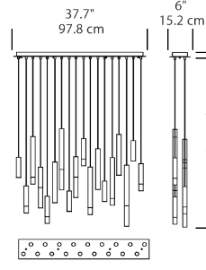

ORDERING INFORMATION

SERIES |  | WATTAGE | VOLTAGE | DIMMING |  | CCT | SHADE | FINISH

DZ-ML-014 |  | 30W | 120V | ELV |  | 2700K | STEEL | BLACK
 |  |  | 277V |  |  | 3000K |  | CHROME
 |  |  |  |  |  | 4000K

 |  |  | www.dezinemultifamilylighting.com |  |  |  |  |  | www.dezinemultifamilylighting.com | www.dezinemultifamilylighting.com

