Sheet1
CHANDELIERS |  |  |  |  | Catalog # |  |  | Type
 |  |  |  |  | Project
LEAF |  |  |  |  | Comments |  |  | Date
 |  |  |  |  | Prepared by

Product Specifications

• | MODEL |  | DZ-ML-017

• | DESCRIPTION |  | If you're looking for a chandelier with a lot of light, smooth curves, and a little drama, this is the one for you. Retro-inspired, it has a striking two-tone gold and matte black finish, as well as three extended arms with adjustable heads on their ends that give dimension and ensure you get the right amount of light for your room.

• | DIMENSIONS |  | 55''W x 55'' D x 17.80''H

• | MATERIAL |  | METAL

• | CANOPY |  | 6''Dia

• | SHADE |  | METAL BLACK

• | NO. OF LIGHTS |  | 3

• | LIGHT SOURCE |  | E26 LED BULB

• | DIMMABLE |  | YES

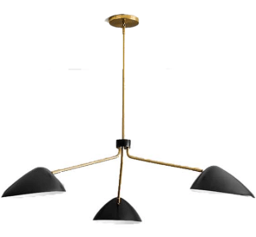
• | LOCATION |  | DRY LOCATION

• | CERTIFICATION |  | UL LISTED

ORDERING INFORMATION

SERIES |  | WATTAGE | VOLTAGE | DIMMING |  | CCT | SHADE | FINISH

DZ-ML-017 |  | 60W | 110V | YES |  | 2700K | METAL | BLACK
 |  |  | 120V |  |  | 3000K
 |  |  |  |  |  | 4000K

 |  |  | www.dezinemultifamilylighting.com |  |  |  |  |  | www.dezinemultifamilylighting.com | www.dezinemultifamilylighting.com

